Data
Expense Details for last 6 months
Month | Category | Items | Expense (INR)
January | Food | Dining out | 1,000
January | Doctor and Medicine | Mother's doctor visit | 1,300 | Note: The category miscellaneous includes auto fare, mobile recharge, or any incidental expenses.
January | Doctor and Medicine | Mother's medicine | 450
January | Grocery | Foodgrains and cereals | 1500
January | Grocery | Oil and spices | 800
January | Grocery | Bread and bakery | 200
January | Grocery | Vegetables | 1500
January | Grocery | Fruit | 500
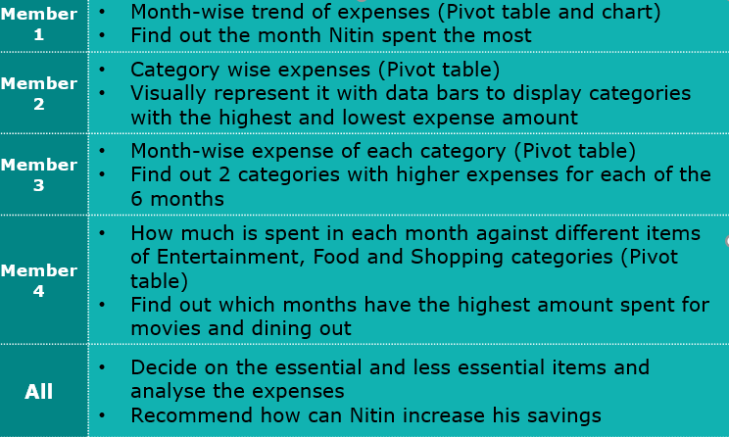
January | Ticket and Bills | Railway Monthly Ticket | 250
January | Shopping | Shirts | 2000
January | Ticket and Bills | Gas | 850
January | Food | Online Food order | 640
January | Food | Chips and fries | 260
January | Ticket and Bills | House help | 1000
January | Ticket and Bills | Electricity bill | 550
January | Entertainment | Movie | 250
January | Miscellaneous | Miscellaneous | 850
February | Doctor and Medicine | Mother's medicine | 450
February | Grocery | Foodgrains and cereals | 1100
February | Grocery | Snacks | 450
February | Grocery | Bread and bakery | 300
February | Grocery | Beverages | 150
February | Grocery | Vegetables | 1200
February | Grocery | Fruit | 400
February | Ticket and Bills | Gas | 850
February | Ticket and Bills | House help | 1000
February | Ticket and Bills | Electricity bill | 450
February | Ticket and Bills | Railway Monthly Ticket | 350
February | Entertainment | North Bengal Trip | 7,500
February | Grocery | Snacks | 700
February | Miscellaneous | Miscellaneous | 720
March | Doctor and Medicine | Mother's medicine | 450
March | Grocery | Foodgrains and cereals | 1,560
March | Grocery | Oil and spices | 550
March | Grocery | Snacks | 650
March | Grocery | Snacks | 310
March | Grocery | Bread and bakery | 220
March | Grocery | Vegetables | 1600
March | Grocery | Fruit | 500
March | Ticket and Bills | Gas | 850
March | Ticket and Bills | House help | 1000
March | Ticket and Bills | Electricity bill | 550
March | Ticket and Bills | Railway Monthly Ticket | 350
March | Entertainment | Movie | 500
March | Shopping | Shoes | 1700
March | Grocery | Snacks | 700
March | Food | Dining out | 800
March | Miscellaneous | Miscellaneous | 850
April | Doctor and Medicine | Mother's medicine | 450
April | Grocery | Foodgrains and cereals | 1200
April | Grocery | Oil and spices | 640
April | Grocery | Bread and bakery | 260
April | Grocery | Beverages | 270
April | Grocery | Snacks | 630
April | Grocery | Vegetables | 1750
April | Grocery | Fruit | 500
April | Ticket and Bills | Gas | 850
April | Ticket and Bills | House help | 1000
April | Ticket and Bills | Electricity bill | 550
April | Ticket and Bills | Railway Monthly Ticket | 350
April | Food | Online Food order | 540
April | Grocery | Snacks | 210
April | Entertainment | Movie | 250
April | Food | Dining out | 850
April | Entertainment | Outing with friends | 1000
April | Miscellaneous | Brother's tution fee | 1500
April | Miscellaneous | Miscellaneous | 2000
May | Doctor and Medicine | Mother's medicine | 450
May | Grocery | Foodgrains and cereals | 1250
May | Grocery | Oil and spices | 450
May | Grocery | Bread and bakery | 120
May | Grocery | Beverages | 190
May | Grocery | Snacks | 690
May | Grocery | Vegetables | 1650
May | Grocery | Fruit | 500
May | Ticket and Bills | Gas | 850
May | Ticket and Bills | House help | 1000
May | Ticket and Bills | Electricity bill | 470
May | Ticket and Bills | Railway Monthly Ticket | 350
May | Grocery | Snacks | 1100
May | Entertainment | Movie | 500
May | Shopping | Shirts | 1500
May | Entertainment | Outing with friends | 1000
May | Miscellaneous | Miscellaneous | 1300
June | Doctor and Medicine | Mother's medicine | 450
June | Grocery | Beverages | 250
June | Grocery | Foodgrains and cereals | 1050
June | Grocery | Oil and spices | 550
June | Grocery | Bread and bakery | 500
June | Grocery | Vegetables | 1690
June | Grocery | Fruit | 650
June | Ticket and Bills | Gas | 850
June | Ticket and Bills | House help | 1000
June | Ticket and Bills | Electricity bill | 370
June | Ticket and Bills | Railway Monthly Ticket | 350
June | Food | Chips and fries | 250
June | Food | Online Food order | 600
June | Entertainment | Movie | 1000
June | Shopping | Tshirt and Jeans | 2500
June | Shopping | Shoes | 1000
June | Miscellaneous | Sister's birthday gift | 500

Task 1
Month-wise trend of expenses (Pivot table and chart)

Highest
Row Labels | Sum of Expense (INR)
January | 13900
February | 15620
March | 13140
April | 14800
May | 13370
June | 13560
Grand Total | 84390

Find out the month Nitin spent the most Category wise expenses (Pivot table)

Row Labels | Sum of Expense (INR)
February | 15620
April | 14800
January | 13900
June | 13560
May | 13370
March | 13140
Grand Total | 84390

